Sheet1
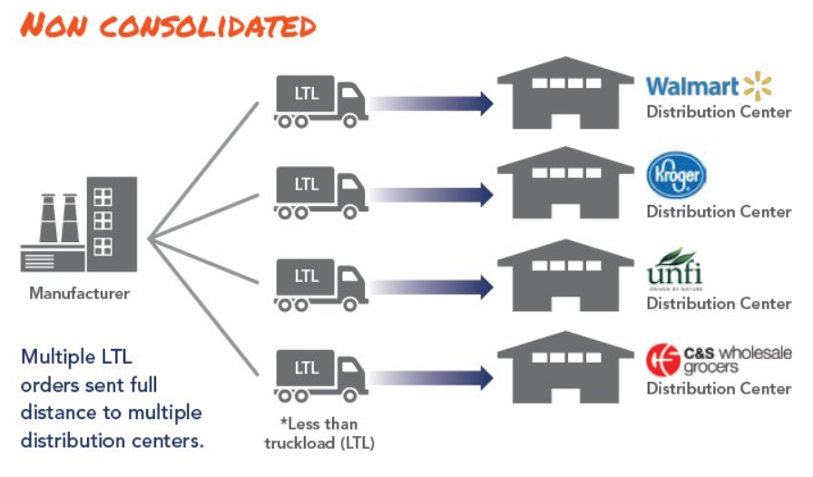
Product | Origin | Destination | Quantity (Unit) | Quantity per batch (unit) | Column1 | Num batches (num batch) | Volume per batch (m2) | Total Volume (m2) | Weight per unit (kg) | Total weight (Ton)
A | O1 | D1 | 300 | 64 | 4.69 | 5 | 1.52 | 7.6 | 8 | 2.4
A | O1 | D2 | 366 | 64 | 5.72 | 6 | 1.52 | 9.12 | 8 | 2.928
A | O1 | D3 | 300 | 64 | 4.69 | 5 | 1.52 | 7.6 | 8 | 2.4
B | O2 | D1 | 680 | 200 | 3.4 | 4 | 1.5 | 6 | 3.2 | 2.176
B | O2 | D4 | 400 | 200 | 2 | 2 | 1.5 | 3 | 3.2 | 1.28
B | O2 | D5 | 400 | 200 | 2 | 2 | 1.5 | 3 | 3.2 | 1.28
C | O3 | D6 | 3000 | 3000 | 1 | 1 | 2 | 2 | 1 | 3
C | O3 | D7 | 3000 | 3000 | 1 | 1 | 2 | 2 | 1 | 3

Truck Availability
 | Truck Type | Week1 | Week2 | Week3 | Week4 | Week5
O1 | Type 1 | 1 | 2
 | Type 2 | 1 | 1
 | Type 3 | 1 | 0
 | Type 4 | 1 | 0
 | Type 5 | 1 | 0
O1 | Type 1
 | Type 2
 | Type 3
 | Type 4
 | Type 5
O1 | Type 1
 | Type 2
 | Type 3
 | Type 4
 | Type 5

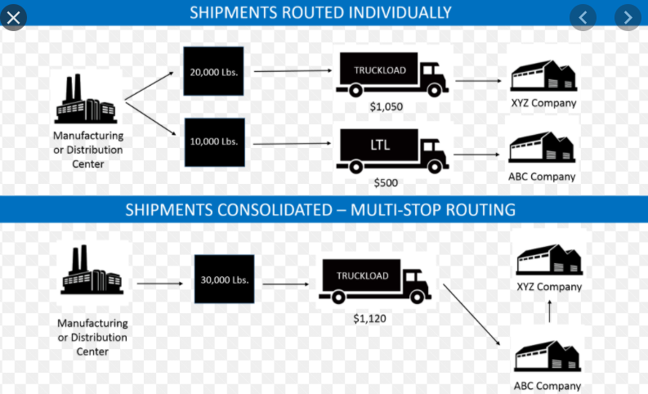
https://mover2u.com/2016/11/29/lorry-dimension-size/
Truck Type | Height (m) | Width (m) | Length (m) | Volume (m3) | Tonnage (Tons)
Type 1 | 1.9 | 1.65 | 3.2 | 10.032 | 1
Type 2 | 2.4 | 2 | 4.3 | 20.64 | 2
Type 3 | 2.2 | 3 | 7.4 | 48.84 | 4
Type 4 | 2.36 | 2.35 | 7.5 | 41.595 | 5
Type 5 | 2.3 | 2.4 | 7.6 | 41.952 | 10

 |  |  |  |  |  |  |  | https://www.supplychain247.com/article/logistics_freight_consolidation_and_its_benefits_to_shippers

